Lab Details
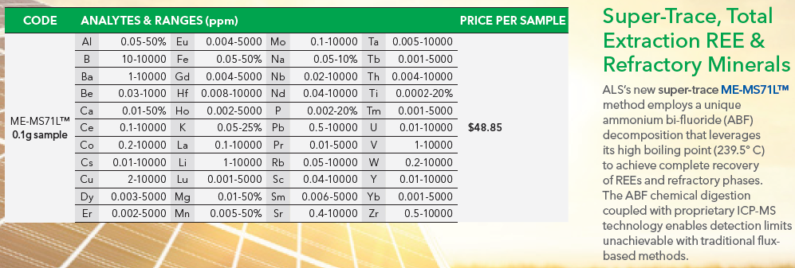
ME-MS41 | ME-MS81
Ag
Al
As
Au
B
Ba | Ba
Be
Bi
Ca
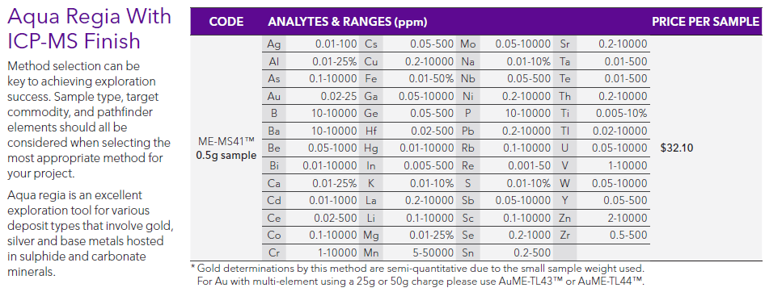
Cd
Ce | Ce
Co
Cr | Cr
Cs | Cs
Cu
 | Dy
 | Er
 | Eu
Fe
Ga | Ga
Ge
 | Gd
Hf | Hf
Hg
 | Ho
In
K
La | La
Li
 | Lu
Mg
Mn
Mo
Na
Nb | Nb
Ni
 | Nd
P
Pb
 | Pr
Rb | Rb
Re
S
Sb
Sc | Sc
Se
 | Sm
Sn | Sn
Sr | Sr
Ta | Ta
 | Tb
Te
Th | Th
Ti | Ti
Tl
 | Tm
U | U
V | V
W | W
Y | Y
 | Yb
Zn
Zr | Zr

